Main
Financials are presented in euros |  | 1,535,028.82 CHF |  | Reinach (Kanton Aargau, Schweiz)
 |  |  |  | Engineering services/ Highly demanding aerostructures |  | Revenue | EBITDA | Rev Growth | EBITDA margin | 2025 EV/EBITDA
Price | 24.55 CHF | $1.26 | € 1.08 | Recycling & cast house (where recyclables ar emelted) | 2020 | 265 | 43 |  | 16%
Market cap CHF | 1,535,028.82 CHF |  |  | Extrusion (shaping metals through a shaped die) | 2021 | 285 | 43 | 8% | 15%
Market cap | € 1,662,743 | $2,101,541 |  | Machining | 2022 | 637 | 69 | 124% | 11%
Debt | 240,879 |  | $1.17 | Surface Finishing (SF) Treatment & painting | 2023 | 705 | 89 | 11% | 13%
Cash | (112,759) |  |  | Subassembly | 2024 | 816 | 131 | 16% | 16%
(+) Net Debt | 128,120 |  |  |  | 2025 | 971 | 161 | 19% | 17%
(+) Noncontrolling | 15,598
EV (Takeover value) | € 1,806,461.21 | $2,107,237 | 27% |  | 2026e | 1,117 | 201 | 15% | 18% | 8.99x
Shares outstanding | 62,527 | 1,535,028.82 CHF |  |  | 2027e | 1,228 | 184 | 10% | 15% | 9.80x
P/E | 30.69x |  |  | Alpine Metal Tech GmbH - bought 47% interest in 2022. Bought rest of the shares in 8/19/2024. Has full ownership. | 2028e | 1,351 | 216 | 10% | 16% | 8.36x
Alt P/E | 29.91x |  |  |  | 2029e | 1,486 | 253 | 10% | 17% | 7.15x
BV | 997,834 |  |  | Majority Shareholder - Dr. Michael Tojner | 2030e | 1,635 | 327 | 10% | 20% | 5.52x
BVPS | € 15.96
P/BV | 1.67x |  |  |  | 2027 analysis
 |  |  |  |  |  |  | Market pricing in
FCF (FY2025) | 92,753 |  |  | Investees | EBITDA forecast) |  | 184
FCFPS (FY2024) | 1.48 |  |  | Alpine Metal Tech GmbH (wholly owned sub) | Multiple |  | 10.00x
P/FCF | 16.55x |  |  | Belairbus NV (129,000 Eur. BV on balance sheet) | Implied EV |  | 1,842
PPE | 650,763 |  |  | Flabel Corporation NV | Net debt |  | 100
FY2025 EBITDA | 160,592 |  |  | BeLighting NV | Implied market cap |  | 1,742
EV/EBITDA | 9.41x |  |  |  | PPS |  | € 27.87
Backlog: | Unknown |  |  | Seeking to divest energy segment at favorable point in market cycle | MOM |  | 1.14x
 |  |  |  | 35 offers on the table - 39:00 on Q2 2025 call |  |  | € 17.42
 |  |  |  |  |  |  | 0.71x
 |  |  |  | Aerostructures Product line: Aluminum, titanium, Composites
 |  |  |  | Fuselage Floor Grid |  | Revenue | EBITDA | Rev Growth | EBITDA margin | 2025 EV/EBITDA
 |  |  |  | Fuselage Stringers | 2020 | 265 | 43 |  | 16%
 |  |  |  | Seat Track | 2021 | 285 | 43 | 8% | 15%
 |  |  |  | Engine Rings | 2022 | 637 | 69 | 124% | 11%
 |  |  |  | Wing Structures | 2023 | 705 | 89 | 11% | 13%
 |  |  |  | False Rail | 2024 | 816 | 131 | 16% | 16%
 |  |  |  | Landing Gear (737), Engine parts (737), High Lift Mechanisms | 2025 | 971 | 161 | 19% | 17%
 |  |  |  | Aerostructure Revenue target (FY2025): 850 Eur. | 2026e | 1,117 | 223 | 15% | 20% | 8.09x
 | 35 |  |  |  | 2027e | 1,251 | 250 | 12% | 20% | 7.22x
 | -30% |  |  |  | 2028e | 1,376 | 275 | 10% | 20% | 6.57x
 |  |  |  |  | 2029e | 1,513 | 303 | 10% | 20% | 5.97x
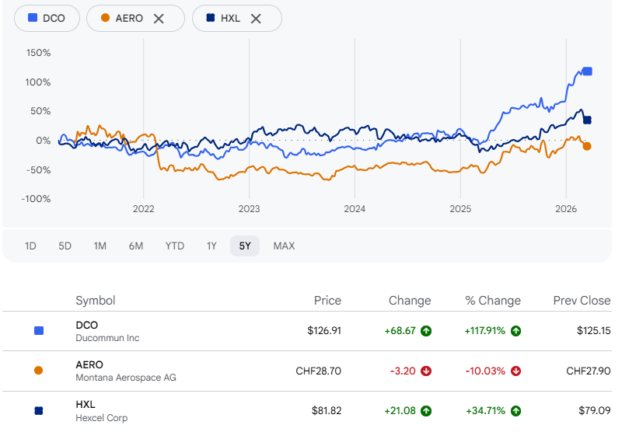
 |  |  |  |  | 2030e | 1,665 | 333 | 10% | 20% | 5.43x

 |  |  |  |  | 2027 analysis
 |  |  |  |  |  |  | Base Case
 |  |  |  |  | EBITDA forecast) |  | 250
 |  |  |  |  | Multiple |  | 12.00x
 |  |  |  |  | Implied EV |  | 3,002
 |  |  |  |  | Net debt |  | 0
 |  |  |  |  | Implied market cap |  | 3,002
 |  |  |  |  | PPS |  | € 48.00
 |  |  |  |  | MOM |  | 1.96x
 |  |  |  |  |  |  | € 30.00
 |  |  |  |  |  |  | 1.22x

 |  |  |  |  |  | Revenue | EBITDA | Rev Growth | EBITDA margin | 2025 EV/EBITDA
 |  |  |  |  | 2020 | 265 | 43 |  | 16%
 |  |  |  |  | 2021 | 285 | 43 | 8% | 15%
 |  |  |  |  | 2022 | 637 | 69 | 124% | 11%
 |  |  |  |  | 2023 | 705 | 89 | 11% | 13%
 |  |  |  |  | 2024 | 816 | 131 | 16% | 16%
 |  |  |  |  | 2025 | 971 | 161 | 19% | #REF!
 |  |  |  |  | 2026e | 1,049 | 126 | 8% | 12% | 14.36x
 |  |  |  |  | 2027e | 1,101 | 132 | 5% | 12% | 13.67x
 |  |  |  |  | 2028e | 1,156 | 139 | 5% | 12% | 13.02x
 |  |  |  |  | 2029e | 1,214 | 146 | 5% | 12% | 12.40x
 |  |  |  |  | 2030e | 1,275 | 153 | 5% | 12% | 11.81x
 |  |  |  |  | 2027 analysis
 |  |  |  |  |  |  | Bear Case
 |  |  |  |  | EBITDA forecast) |  | 132
 |  |  |  |  | Multiple |  | 8.00x
 |  |  |  |  | Implied EV |  | 1,057
 |  |  |  |  | Net debt |  | 150
 |  |  |  |  | Implied market cap |  | 907
 |  |  |  |  | PPS |  | € 14.51
 |  |  |  |  | MOM |  | 0.59x
 |  |  |  |  |  |  | € 9.07
 |  |  |  |  |  |  | 0.37x
 |  |  |  |  |  | Revenue | EBITDA | Rev Growth | EBITDA margin | 2025 EV/EBITDA
 |  |  |  |  | 2020 | 265 | 43 |  | 16%
 |  |  |  |  | 2021 | 285 | 43 | 8% | 15%
 |  |  |  |  | 2022 | 637 | 69 | 124% | 11%
 |  |  |  |  | 2023 | 705 | 89 | 11% | 13%
 |  |  |  |  | 2024 | 816 | 131 | 16% | 16%
 |  |  |  |  | 2025 | 971 | 161 | 19% | #REF!
 |  |  |  |  | 2026e | 1,165 | 233 | 20% | 20% | 7.75x
 |  |  |  |  | 2027e | 1,340 | 295 | 15% | 22% | 6.13x
 |  |  |  |  | 2028e | 1,541 | 339 | 15% | 22% | 5.33x
 |  |  |  |  | 2029e | 1,772 | 390 | 15% | 22% | 4.63x
 |  |  |  |  | 2030e | 2,038 | 448 | 15% | 22% | 4.03x
 |  |  |  |  | 2027 analysis
 |  |  |  |  |  |  | Bull
 |  |  |  |  | EBITDA forecast) |  | 295
 |  |  |  |  | Multiple |  | 15.00x
 |  |  |  |  | Implied EV |  | 4,422
 |  |  |  |  | Net debt |  | 150
 |  |  |  |  | Implied market cap |  | 4,272
 |  |  |  |  | PPS |  | € 68.32
 |  |  |  |  | MOM |  | 2.78x
 |  |  |  |  |  |  | € 42.70
 |  |  |  |  |  |  | 1.74x

